AAA
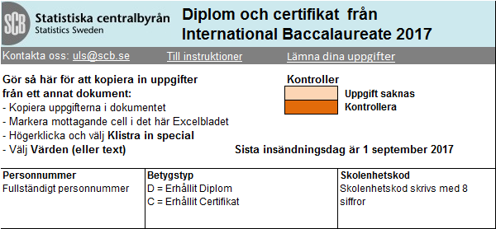 SCB: | var1 | var2

