Page 1
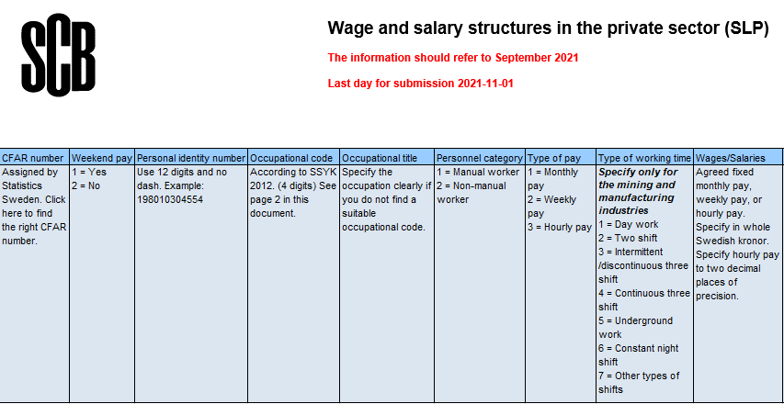 SCB: | Var1 | Var2 | Var3 | Var4 | Var5 | Var6 | Var7 | Var8 | 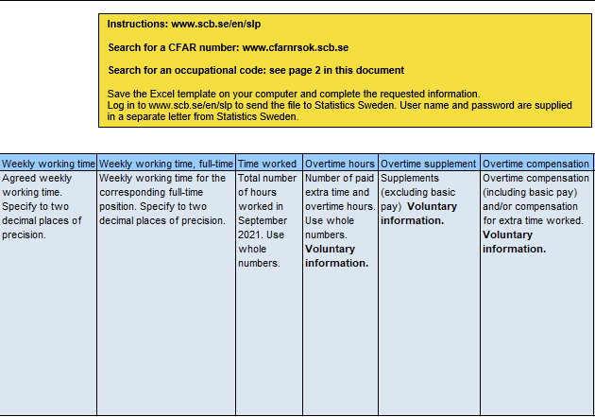 Var9 | Var10 | Var11 | Var12 | Var13 | Var14 | 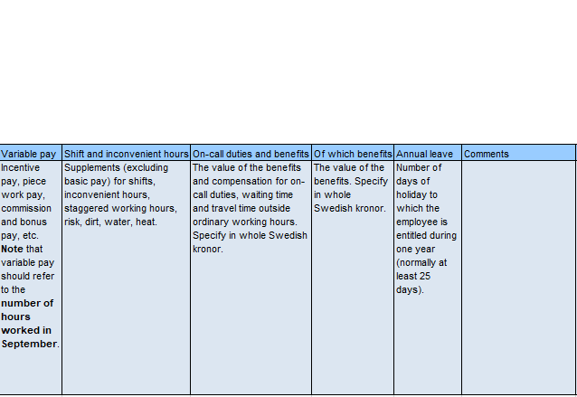 Var15 | Var16 | Var17 | Var18 | Var19 | Var20

SCB: | Var1 | Var2 | Var3 | Var4 | Var5 | Var6 | Var7 | Var8 | Var9 | Var10 | Var11 | Var12 | Var13 | Var14 | 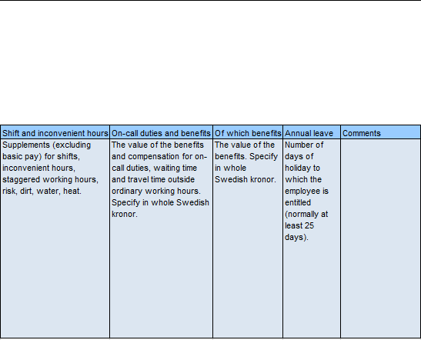 Var15 | Var16 | Var17 | Var18 | Var19 | Var20

SCB: | Var1 | Var2 | Var3 | Var4 | Var5 | Var6 | Var7 | Var8 | Var9 | Var10 | Var11 | Var12 | Var13 | Var14 | Var15 | Var16 | Var17 | Var18 | Var19 | Var20

SCB: | Var1 | Var2 | Var3 | Var4 | Var5 | Var6 | Var7 | Var8 | Var9 | Var10 | Var11 | Var12 | Var13 | Var14 | Var15 | Var16 | Var17 | Var18 | Var19 | Var20

SCB: | Var1 | Var2 | Var3 | Var4 | Var5 | Var6 | Var7 | Var8 | Var9 | Var10 | Var11 | Var12 | Var13 | Var14 | Var15 | Var16 | Var17 | Var18 | Var19 | Var20

SCB: | Var1 | Var2 | Var3 | Var4 | Var5 | Var6 | Var7 | Var8 | Var9 | Var10 | Var11 | Var12 | Var13 | Var14 | Var15 | Var16 | Var17 | Var18 | Var19 | Var20

SCB: | Var1 | Var2 | Var3 | Var4 | Var5 | Var6 | Var7 | Var8 | Var9 | Var10 | Var11 | Var12 | Var13 | Var14 | Var15 | Var16 | Var17 | Var18 | Var19 | Var20

SCB: | Var1 | Var2 | Var3 | Var4 | Var5 | Var6 | Var7 | Var8 | Var9 | Var10 | Var11 | Var12 | Var13 | Var14 | Var15 | Var16 | Var17 | Var18 | Var19 | Var20

SCB: | Var1 | Var2 | Var3 | Var4 | Var5 | Var6 | Var7 | Var8 | Var9 | Var10 | Var11 | Var12 | Var13 | Var14 | Var15 | Var16 | Var17 | Var18 | Var19 | Var20

SCB: | Var1 | Var2 | Var3 | Var4 | Var5 | Var6 | Var7 | Var8 | Var9 | Var10 | Var11 | Var12 | Var13 | Var14 | Var15 | Var16 | Var17 | Var18 | Var19 | Var20

